Intro
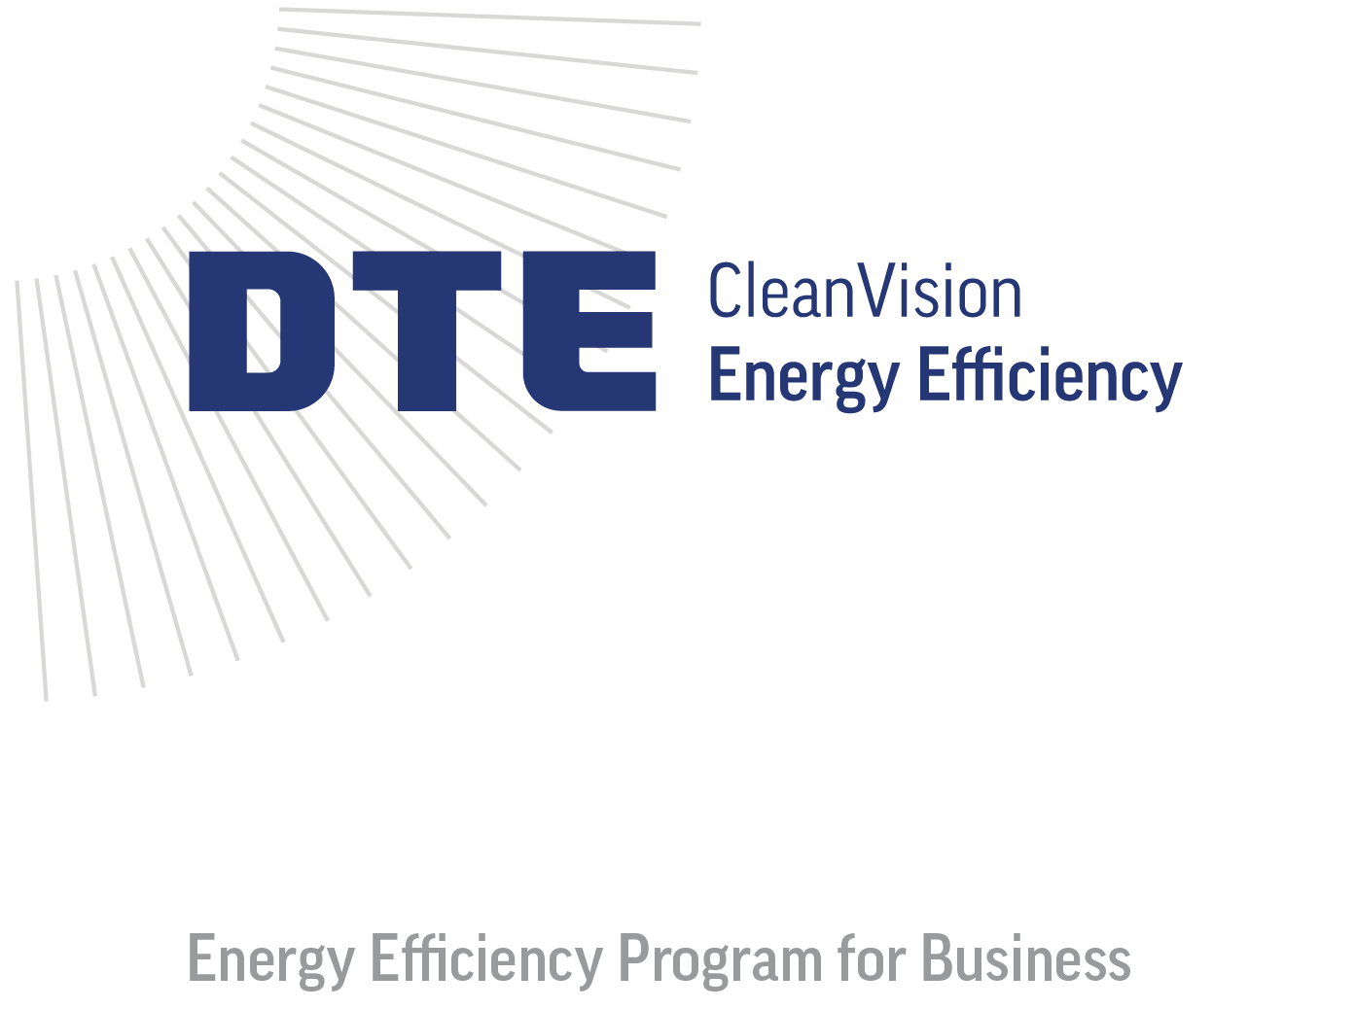

 | 2026 Quick Rebate Calculator

 | The DTE Energy Efficiency Program for Business offers businesses like yours rebates for new energy-efficient improvements, including lighting, HVAC, process improvements, and more. This guide serves as a tool to estimate potential rebates. Please note that this calculator is not a substitute for a formal application.

 | Apply online at: dteenergy.com/business/application

 | web: www.michiganee.com
 | email: contractors@michiganee.com
 | phone: 855.748.2525
 | address: P.O. Box 11289, Detroit, MI 48211
 | 2026-01-13

